Sheet1
0 | 1412625.2914 | 4931568.8511 | None
0.13180199555 | 1412625.3913 | 4931568.937 | 73.976511
0.26360399111 | 1412625.4912 | 4931569.0229 | 73.898776
0.39540598666 | 1412625.5912 | 4931569.1089 | None
0.52720798221 | 1412625.6911 | 4931569.1948 | None
0.65900997777 | 1412625.7911 | 4931569.2807 | None
0.79081197332 | 1412625.891 | 4931569.3666 | None
0.92261396887 | 1412625.9909 | 4931569.4526 | None
1.0544159644 | 1412626.0909 | 4931569.5385 | None
1.18621796 | 1412626.1908 | 4931569.6244 | 73.403446
1.3180199555 | 1412626.2908 | 4931569.7103 | 73.32571
1.4498219511 | 1412626.3907 | 4931569.7963 | None
1.5816239466 | 1412626.4907 | 4931569.8822 | None
1.7134259422 | 1412626.5906 | 4931569.9681 | None
1.8452279377 | 1412626.6905 | 4931570.054 | None
1.9770299333 | 1412626.7905 | 4931570.14 | None
2.1088319288 | 1412626.8904 | 4931570.2259 | 72.908116
2.2406339244 | 1412626.9904 | 4931570.3118 | 72.830381
2.37243592 | 1412627.0903 | 4931570.3978 | None
2.5042379155 | 1412627.1903 | 4931570.4837 | None
2.6360399111 | 1412627.2902 | 4931570.5696 | None
2.7678419066 | 1412627.3901 | 4931570.6555 | None
2.8996439022 | 1412627.4901 | 4931570.7415 | None
3.0314458977 | 1412627.59 | 4931570.8274 | 72.412786
3.1632478933 | 1412627.69 | 4931570.9133 | 72.335051
3.2950498888 | 1412627.7899 | 4931570.9992 | None
3.4268518844 | 1412627.8899 | 4931571.0852 | None
3.5586538799 | 1412627.9898 | 4931571.1711 | None
3.6904558755 | 1412628.0897 | 4931571.257 | None
3.822257871 | 1412628.1897 | 4931571.3429 | None
3.9540598666 | 1412628.2896 | 4931571.4289 | 71.917456
4.0858618621 | 1412628.3896 | 4931571.5148 | 71.839721
4.2176638577 | 1412628.4895 | 4931571.6007 | 71.761985
4.3494658533 | 1412628.5894 | 4931571.6866 | None
4.4812678488 | 1412628.6894 | 4931571.7726 | None
4.6130698444 | 1412628.7893 | 4931571.8585 | None
4.7448718399 | 1412628.8893 | 4931571.9444 | None
4.8766738355 | 1412628.9892 | 4931572.0303 | 71.422126
5.008475831 | 1412629.0892 | 4931572.1163 | 71.344391
5.1402778266 | 1412629.1891 | 4931572.2022 | 71.266655
5.2720798221 | 1412629.289 | 4931572.2881 | None
5.4038818177 | 1412629.389 | 4931572.3741 | None
5.5356838132 | 1412629.4889 | 4931572.46 | None
5.6674858088 | 1412629.5889 | 4931572.5459 | 70.926796
5.7992878043 | 1412629.6888 | 4931572.6318 | 70.897878
5.9310897999 | 1412629.7888 | 4931572.7178 | 70.820143
6.0628917954 | 1412629.8887 | 4931572.8037 | 70.742408
6.194693791 | 1412629.9886 | 4931572.8896 | 70.664672
6.3264957865 | 1412630.0886 | 4931572.9755 | 70.586937
6.4582977821 | 1412630.1885 | 4931573.0615 | 70.509202
6.5900997777 | 1412630.2885 | 4931573.1474 | 70.431466
6.7219017732 | 1412630.3884 | 4931573.2333 | 70.353731
6.8537037688 | 1412630.4884 | 4931573.3192 | 70.324813
6.9855057643 | 1412630.5883 | 4931573.4052 | 70.247078
7.1173077599 | 1412630.6882 | 4931573.4911 | 70.169342
7.2491097554 | 1412630.7882 | 4931573.577 | 70.091607
7.380911751 | 1412630.8881 | 4931573.6629 | 70.013872
7.5127137465 | 1412630.9881 | 4931573.7489 | 69.936136
7.6445157421 | 1412631.088 | 4931573.8348 | 69.858401
7.7763177376 | 1412631.188 | 4931573.9207 | 69.829483
7.9081197332 | 1412631.2879 | 4931574.0066 | 69.751748
8.0399217287 | 1412631.3878 | 4931574.0926 | 69.674013
8.1717237243 | 1412631.4878 | 4931574.1785 | 69.596277
8.3035257198 | 1412631.5877 | 4931574.2644 | 69.518542
8.4353277154 | 1412631.6877 | 4931574.3504 | 69.440807
8.567129711 | 1412631.7876 | 4931574.4363 | 69.363071
8.6989317065 | 1412631.8875 | 4931574.5222 | 69.334153
8.8307337021 | 1412631.9875 | 4931574.6081 | 69.256418
8.9625356976 | 1412632.0874 | 4931574.6941 | 69.178683
9.0943376932 | 1412632.1874 | 4931574.78 | 69.100947
9.2261396887 | 1412632.2873 | 4931574.8659 | 69.0233
9.34045259 | 1412632.3896 | 4931574.917 | 69.027099
9.4547654914 | 1412632.4918 | 4931574.9682 | 69.025403
9.5690783927 | 1412632.5941 | 4931575.0193 | 69.029202
9.683391294 | 1412632.6963 | 4931575.0704 | 69.027506
9.7977041953 | 1412632.7985 | 4931575.1215 | 69.031305
9.9120170966 | 1412632.9008 | 4931575.1726 | 69.02961
10.026329998 | 1412633.003 | 4931575.2238 | 69.033408
10.140642899 | 1412633.1053 | 4931575.2749 | 69.031713
10.254955801 | 1412633.2075 | 4931575.326 | 69.035511
10.369268702 | 1412633.3098 | 4931575.3771 | 69.033816
10.483581603 | 1412633.412 | 4931575.4283 | 69.029476
10.597894505 | 1412633.5143 | 4931575.4794 | 69.035919
10.712207406 | 1412633.6165 | 4931575.5305 | 69.030909
10.826520307 | 1412633.7187 | 4931575.5816 | 69.038022
10.940833208 | 1412633.821 | 4931575.6327 | 69.032342
11.05514611 | 1412633.9232 | 4931575.6839 | 69.040125
11.169459011 | 1412634.0255 | 4931575.735 | 69.033775
11.283771912 | 1412634.1277 | 4931575.7861 | 69.042228
11.408243864 | 1412634.2295 | 4931575.8578 | 69.029457
11.532715816 | 1412634.3313 | 4931575.9294 | 69.004933
11.657187767 | 1412634.433 | 4931576.0011 | 69.0097
11.781659719 | 1412634.5348 | 4931576.0728 | 68.994305
11.90613167 | 1412634.6366 | 4931576.1444 | 68.976091
12.030603622 | 1412634.7383 | 4931576.2161 | 68.974548
12.155075574 | 1412634.8401 | 4931576.2878 | 68.959153
12.279547525 | 1412634.9419 | 4931576.3594 | 68.943758
12.404019477 | 1412635.0437 | 4931576.4311 | 68.916974
12.528491428 | 1412635.1454 | 4931576.5028 | 68.924001
12.65296338 | 1412635.2472 | 4931576.5744 | 68.908606
12.777435331 | 1412635.349 | 4931576.6461 | 68.888132
12.901907283 | 1412635.4507 | 4931576.7178 | 68.888849
13.026379235 | 1412635.5525 | 4931576.7894 | 68.873454
13.150851186 | 1412635.6543 | 4931576.8611 | 68.858059
13.275323138 | 1412635.756 | 4931576.9328 | 68.829015
13.399795089 | 1412635.8578 | 4931577.0044 | 68.838302
13.524267041 | 1412635.9596 | 4931577.0761 | 68.822907
13.648738993 | 1412636.0614 | 4931577.1478 | 68.800173
13.773210944 | 1412636.1631 | 4931577.2194 | 68.80315
13.897682896 | 1412636.2649 | 4931577.2911 | 68.787755
14.022154847 | 1412636.3667 | 4931577.3628 | 68.771331
14.146626799 | 1412636.4684 | 4931577.4344 | 68.701383
14.27109875 | 1412636.5702 | 4931577.5061 | 68.752603
14.395570702 | 1412636.672 | 4931577.5778 | 68.71876
14.524205997 | 1412636.7731 | 4931577.6573 | 68.617989
14.652841291 | 1412636.8743 | 4931577.7367 | 68.517219
14.781476586 | 1412636.9754 | 4931577.8162 | 68.457488
14.910111881 | 1412637.0765 | 4931577.8957 | 68.356717
15.038747175 | 1412637.1777 | 4931577.9752 | 68.255946
15.16738247 | 1412637.2788 | 4931578.0547 | 68.155175
15.296017765 | 1412637.3799 | 4931578.1342 | 68.054404
15.424653059 | 1412637.4811 | 4931578.2137 | 67.994674
15.553288354 | 1412637.5822 | 4931578.2932 | 67.893903
15.681923648 | 1412637.6833 | 4931578.3727 | 67.793132
 | 73.976511 73.898776 None
15.810558943 | 1412637.7845 | 4931578.4522 | 67.692361
15.939194238 | 1412637.8856 | 4931578.5317 | 67.59159
16.067829532 | 1412637.9867 | 4931578.6111 | 67.53186
16.196464827 | 1412638.0879 | 4931578.6906 | 67.431089
16.325100122 | 1412638.189 | 4931578.7701 | 67.330318
16.453735416 | 1412638.2901 | 4931578.8496 | 67.229547
16.582370711 | 1412638.3913 | 4931578.9291 | 67.128776
16.711006006 | 1412638.4924 | 4931579.0086 | 67.069046
16.8396413 | 1412638.5935 | 4931579.0881 | 66.968275
16.968276595 | 1412638.6947 | 4931579.1676 | 66.867504
17.096911889 | 1412638.7958 | 4931579.2471 | 66.766733
17.225547184 | 1412638.8969 | 4931579.3266 | 66.665962
17.354182479 | 1412638.9981 | 4931579.4061 | 66.606232
17.482817773 | 1412639.0992 | 4931579.4856 | 66.505461
17.611453068 | 1412639.2003 | 4931579.565 | 66.40469
17.740088363 | 1412639.3015 | 4931579.6445 | 66.303919
17.868723657 | 1412639.4026 | 4931579.724 | 66.203148
17.997358952 | 1412639.5037 | 4931579.8035 | 66.143418
18.125994247 | 1412639.6049 | 4931579.883 | 66.042647
18.254629541 | 1412639.706 | 4931579.9625 | 65.941876
18.383264836 | 1412639.8071 | 4931580.042 | 65.841105
18.511900131 | 1412639.9083 | 4931580.1215 | 65.712358
18.640535425 | 1412640.0094 | 4931580.201 | 65.680603
18.76917072 | 1412640.1105 | 4931580.2805 | 65.579833
18.76917072 | 1412640.1105 | 4931580.2805 | 65.579833
18.76917072 | 1412640.1105 | 4931580.2805 | 65.579833
18.760509687 | 1412640.1105 | 4931580.277 | 65.579833

Sheet4
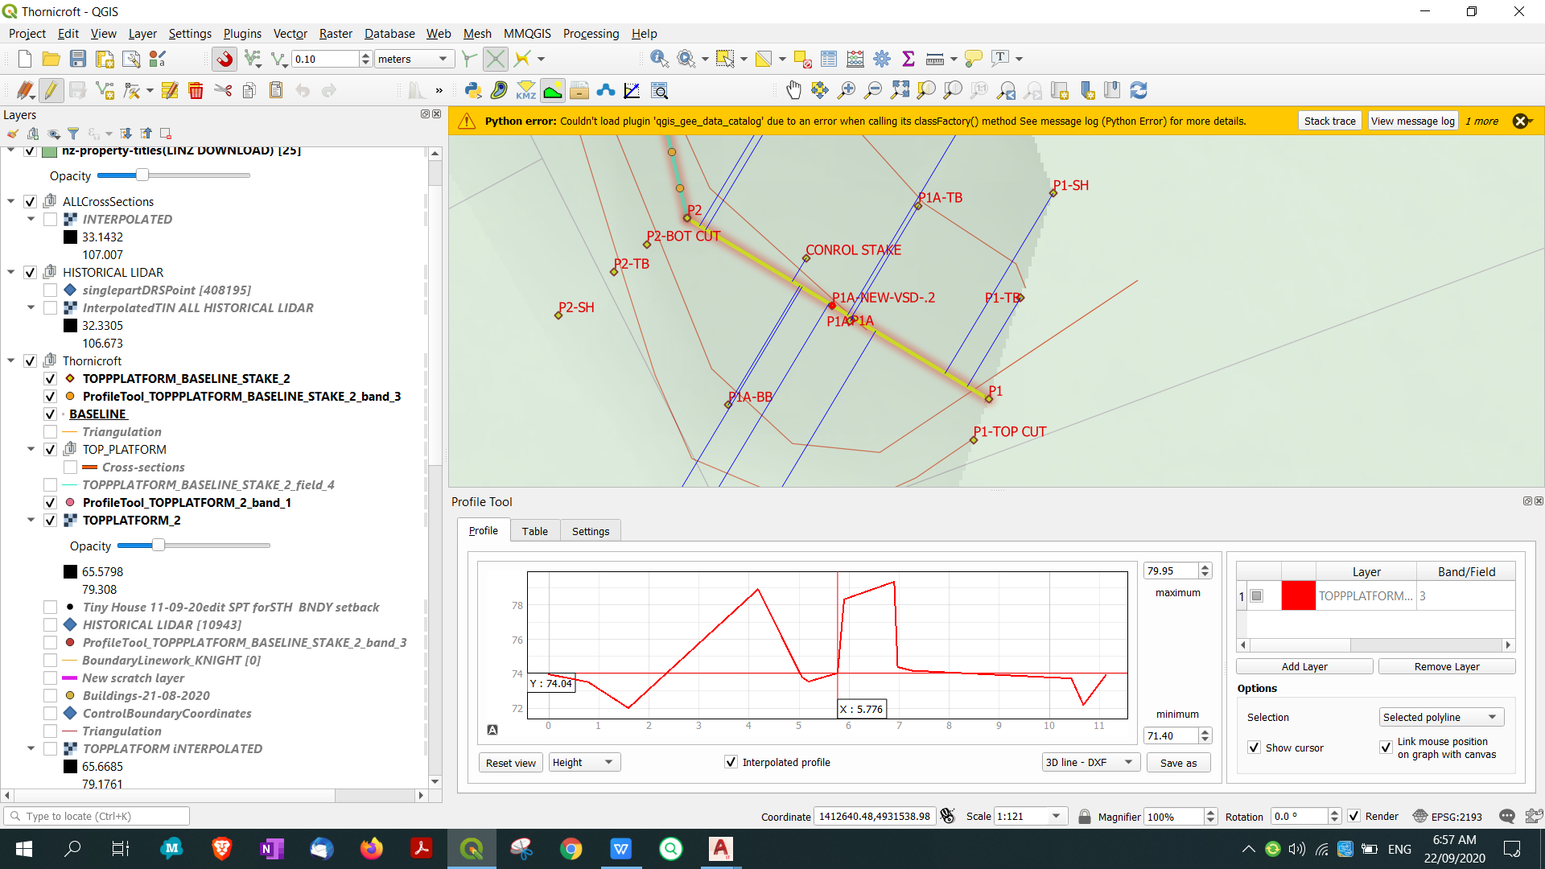
LONGSECTION MIDDLE |  |  | P2...P3

0.00 | 1412643.91 | 4931559.13 | 69.81 | PO 0,69.81
0.12 | 1412643.94 | 4931559.02 | 70.22 | PO 0.115046870204256,70.22
0.28 | 1412643.97 | 4931558.86 | 70.02 | PO 0.282187151263316,70.02 | PO 0.282187151263316,70.02
0.91 | 1412644.12 | 4931558.24 | 72.81 | PO 0.912687573598835,72.81 | PO 0.912687573598835,72.81
1.58 | 1412644.27 | 4931557.59 | 69.22 | PO 1.58330952577232,69.22 | PO 1.58330952577232,69.22
2.86 | 1412644.57 | 4931556.35 | 70.66 | PO 2.8557544129294,70.66 | PO 2.8557544129294,70.66
2.89 | 1412644.58 | 4931556.31 | 67.33 | PO 2.89411834375362,67.33 | PO 2.89411834375362,67.33
3.03 | 1412644.61 | 4931556.18 | 70.33 | PO 3.03105938348793,70.33 | PO 3.03105938348793,70.33
3.06 | 1412644.62 | 4931556.15 | 70.40 | PO 3.06307799120545,70.4 | PO 3.06307799120545,70.4
3.43 | 1412644.70 | 4931555.79 | 73.15 | PO 3.42905147439667,73.15 | PO 3.42905147439667,73.15
4.13 | 1412644.86 | 4931555.11 | 68.80 | PO 4.12912582847388,68.8 | PO 4.12912582847388,68.8
4.15 | 1412644.87 | 4931555.09 | 76.19 | PO 4.15053146433171,76.19 | PO 4.15053146433171,76.19
6.51 | 1412645.41 | 4931552.79 | 69.14 | PO 6.51440547745161,69.14 | PO 6.51440547745161,69.14
7.37 | 1412645.61 | 4931551.96 | 70.69 | PO 7.3657118858588,70.69 | PO 7.3657118858588,70.69
7.42 | 1412645.62 | 4931551.91 | 71.65 | PO 7.41570516367906,71.65 | PO 7.41570516367906,71.65
7.51 | 1412645.64 | 4931551.82 | 71.34 | PO 7.51341751214113,71.34 | PO 7.51341751214113,71.34
7.82 | 1412645.71 | 4931551.52 | 71.37 | PO 7.82498968238552,71.37 | PO 7.82498968238552,71.37
7.94 | 1412645.74 | 4931551.41 | 74.12 | PO 7.9354319824263,74.12 | PO 7.9354319824263,74.12
8.04 | 1412645.76 | 4931551.31 | 76.48 | PO 8.03704698389921,76.48 | PO 8.03704698389921,76.48
10.34 | 1412646.29 | 4931549.07 | 70.12 | PO 10.3422464193761,70.12 | PO 10.3422464193761,70.12
12.00 | 1412646.67 | 4931547.45 | 72.03 | PO 12.0043670942676,72.03 | PO 12.0043670942676,72.03
12.49 | 1412646.79 | 4931546.98 | 72.97 | PO 12.4897280961882,72.97 | PO 12.4897280961882,72.97
12.80 | 1412646.86 | 4931546.68 | 72.52 | PO 12.7971224621628,72.52 | PO 12.7971224621628,72.52
12.81 | 1412646.86 | 4931546.66 | 72.63 | PO 12.8091561129852,72.63 | PO 12.8091561129852,72.63
12.97 | 1412646.90 | 4931546.51 | 72.94 | PO 12.9708888321712,72.94 | PO 12.9708888321712,72.94
13.21 | 1412646.95 | 4931546.27 | 74.81 | PO 13.2136282941518,74.81 | PO 13.2136282941518,74.81
13.39 | 1412646.99 | 4931546.10 | 72.19 | PO 13.3945261324528,72.19 | PO 13.3945261324528,72.19
15.65 | 1412647.51 | 4931543.90 | 73.73 | PO 15.6471492383324,73.73 | PO 15.6471492383324,73.73
16.82 | 1412647.78 | 4931542.76 | 73.55 | PO 16.8228083072274,73.55 | PO 16.8228083072274,73.55
17.81 | 1412648.01 | 4931541.80 | 73.93 | PO 17.808394088276,73.93 | PO 17.808394088276,73.93

P1 P2
 |  |  |  | P1....P2

P2
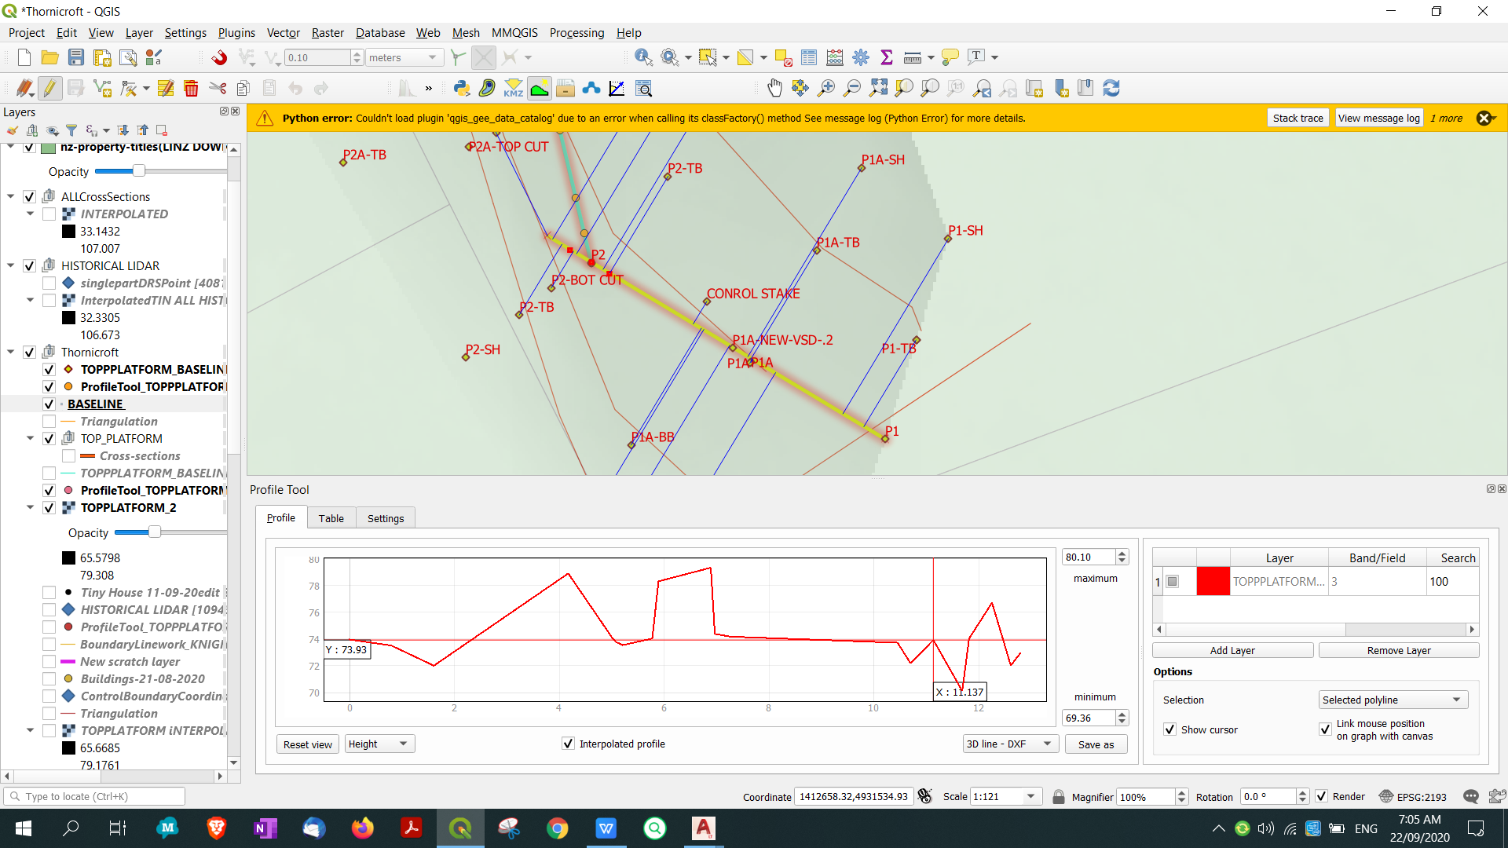
P2

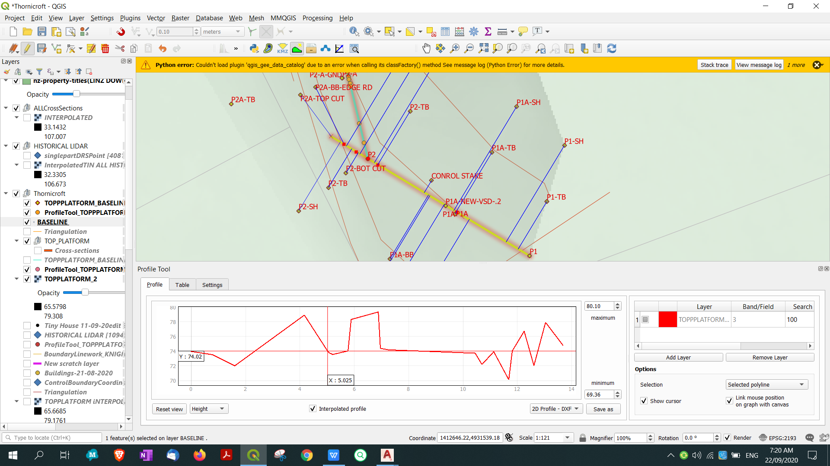

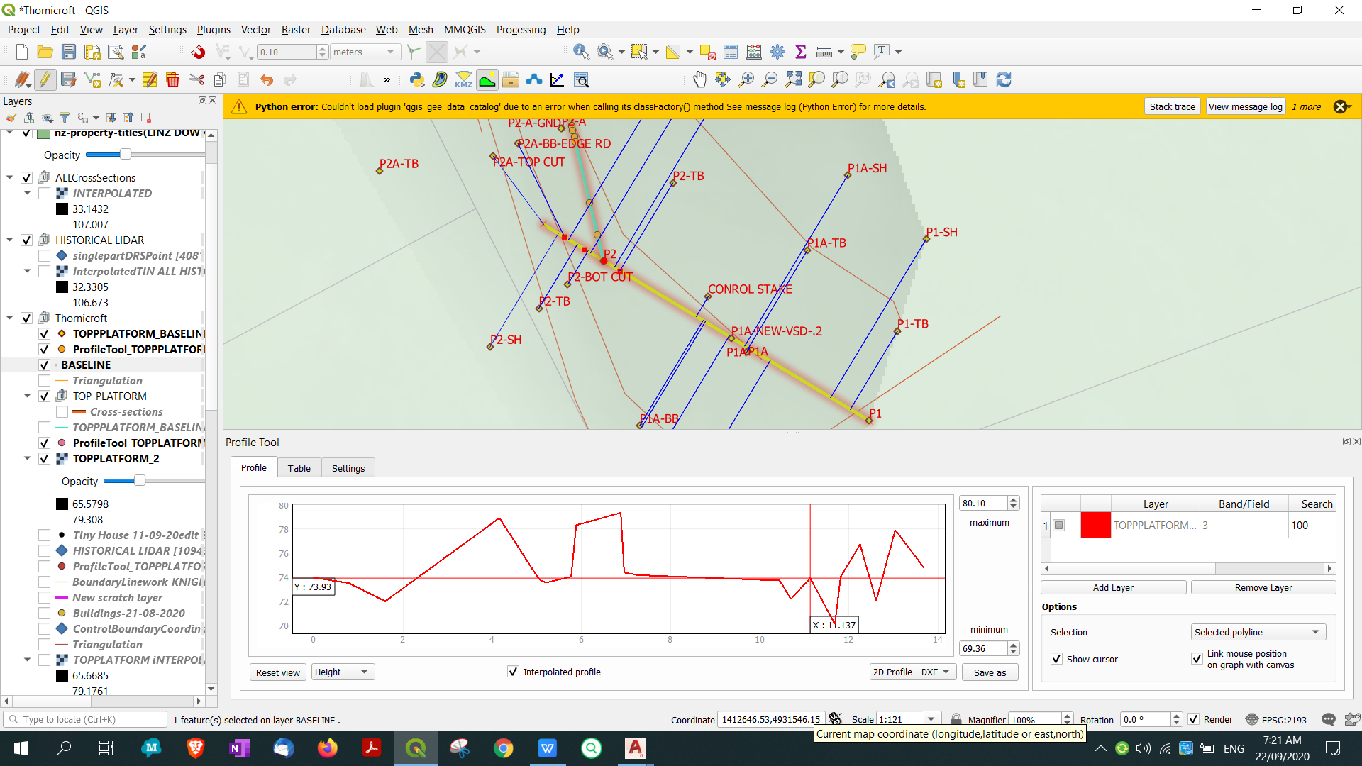

P2
P1

p1

0 | 1412657.56 | 4931536.07 | 73.97
0.79693141781 | 1412656.8774 | 4931536.4813 | 73.52
1.6094596744 | 1412656.1815 | 4931536.9007 | 72.01
4.171206328 | 1412653.9874 | 4931538.223 | 78.91
5.0247074592 | 1412653.2563 | 4931538.6635 | 74.02
5.0349180107 | 1412653.2476 | 4931538.6688 | 74.01
5.0739800074 | 1412653.2141 | 4931538.6889 | 73.8
5.2119282996 | 1412653.096 | 4931538.7601 | 73.55
5.7760351671 | 1412652.6128 | 4931539.0513 | 74.04
5.8931167238 | 1412652.5125 | 4931539.1117 | 78.32
6.8908779052 | 1412651.658 | 4931539.6267 | 79.34
6.9680530183 | 1412651.5919 | 4931539.6665 | 74.39
7.2663129645 | 1412651.3364 | 4931539.8205 | 74.18
10.454788942 | 1412648.6055 | 4931541.4662 | 73.73
10.702211808 | 1412648.3936 | 4931541.5939 | 72.19
11.137097426 | 1412648.0211 | 4931541.8184 | 73.93
11.689555892 | 1412647.5479 | 4931542.1035 | 70.12
11.818740614 | 1412647.4373 | 4931542.1702 | 74.04
12.255290052 | 1412647.0633 | 4931542.3955 | 76.72
12.61456625 | 1412646.7556 | 4931542.581 | 72.03
13.04188025 | 1412646.3896 | 4931542.8015 | 77.92
13.681656306 | 1412645.8417 | 4931543.1318 | 74.81

